Sheet1
 |  | Inputs
 |  | Inboard (P1)
 |  | x | y | z
 | Up-Fore | -460 | 188 | 225
 | Up-Aft | -705 | 200 | 188
 | Low-Fore | -530 | 225 | 65
 | Low-Aft | -733 | 230 | 87
 | Push/Pull | -590 | 250 | 110
 | Tie/Toe | -500 | 130 | 180
 |  | Outboard (P2)
 | Up-Fore | -610 | 505 | 352
 | Up-Aft | -610 | 505 | 352
 | Low-Fore | -590 | 520 | 135
 | Low-Aft | -590 | 520 | 135
 | Push/Pull | -610 | 505 | 352
 | Tie/Toe | -500 | 520 | 200
 |  | Locations of Applied Forces from Tire on Ground
 | Fx | -587 | 580 | 0
 | Fy | -587 | 580 | 0
 | Fz | -587 | 580 | 0

 |  | Calculations
 |  | Unit Vectors
 | Up-Fore
 | Up-Aft |  |  |  |  | Array Equation
 | Low-Fore |  |  |  |  | ctrl + shft + enter!
 | Low-Aft
 | Push/Pull
 | Tie/Toe

 |  | Moment Arm (Dist to Moment Center)
 | Moment Center | 0 | 0 | 0

 | Up-Fore
 | Up-Aft
 | Low-Fore
 | Low-Aft
 | Push/Pull
 | Tie/Toe

 | Fx
 | Fy
 | Fz

 |  | Applied Forces
 |  | Force Vectors
 | Loadcase #: | 2
 |  | x | y | z
 | Fx |  | 0 | 0
 | Fy | 0 |  | 0
 | Fz | 0 | 0
 |  | Mx | My | Mz
 | M from Fx
 | M from Fy |  |  |  |  | Array Equation ctrl + shft + enter!
 | M from Fz

 |  |  |  |  |  |  |  |  |  |  |  |  |  | Array Equation ctrl + shft + enter!
 |  |  |  |  |  |  | Array Equation ctrl + shft + enter!
 |  | Up-Fore | Up-Aft | Low-Fore | Low-Aft | Push/Pull | Tie/Toe
 | ΣFx |  |  |  |  |  |  |  | F_Up-Fore |  |  |  |  |  | Up-Fore
 | ΣFy |  |  |  |  |  |  |  | F_Up-Aft |  |  |  |  |  | Up-Aft
 | ΣFz |  |  |  |  |  |  |  | F_Low-Fore |  |  |  |  |  | Low-Fore
 | ΣMx |  |  | #NAME? | #NAME? | #NAME? | #NAME? | * | F_Low-Aft | = |  |  |  |  | Low-Aft
 | ΣMy |  |  | #NAME? | #NAME? | #NAME? | #NAME? |  | F_Push/Pull |  |  |  |  |  | Push/Pull
 | ΣMz |  |  | #NAME? | #NAME? | #NAME? | #NAME? |  | F_Tie/Toe |  |  |  |  |  | Tie/Toe

 |  |  |  | A |  |  |  | * | X | = | b |  |  | X = A-1 * b

 |  | Inputs
 | m_carPlusDriver | 300 | kg
 | h_centerOfGravity | 0.30 | m
 | Track | 1.50 | m
 | Wheelbase | 2.00 | m
 | r_tireLoaded | 0.24 | m

1 | 2 | 3 | 4 | 5 | 6 | 7 | 8 | 9 | 10 | 11 | 12 | 13 | 14 | 15 | 16 | 17
 | Loadcase Name | Failure Mode | Long G | Lat G | Velocity | Aero Down | Aero Drag | WT_lateral | WT_long | Fz_% | Fx_car | Fy_car | Fx | Fy | Fz | Fx-Added Height |  |  | Up-Fore | Up-Aft | Low-Fore | Low-Aft | Push/Pull | Tie/Toe
 |  |  | + for accel | +outside for wheel |  |  |  |  |  |  |  |  |  |  |  | For Driveshafts |  |  | TRANSPOSE()
1 | None | Fatigue |  |  |  |  |  |  |  |  |  |  | 0 | 0 | 0 | 0 |  | 1 |  |  |  |  |  |  | 0
2 | Static | Fatigue |  |  |  |  |  |  |  |  |  |  | 0 | 0 |  | 0 |  | 2 |  |  |  |  |  |  | 0
3 | Max Braking | Fatigue | -1.25 | 0.00 |  |  |  |  |  |  |  |  |  |  |  |  |  | 3 |  |  |  |  |  |  | 0
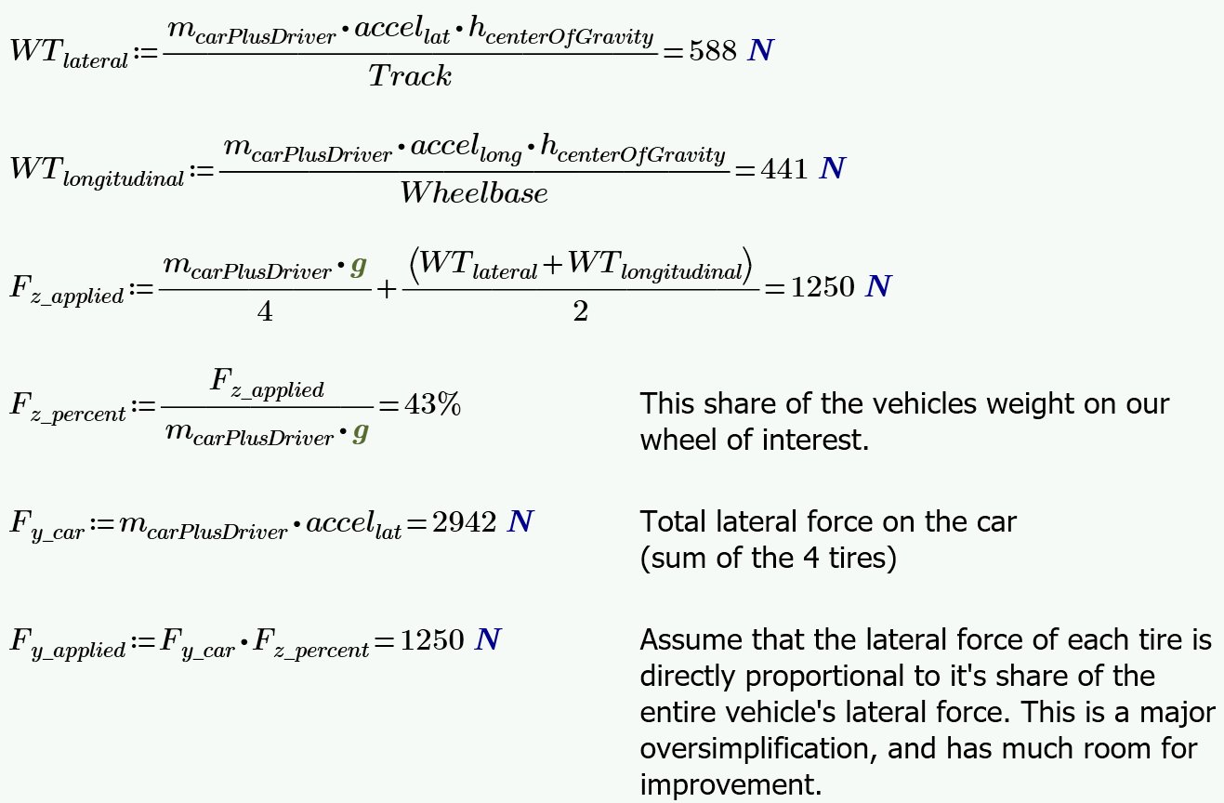
4 | Max Turn | Fatigue | 0.00 | 2.00 |  |  |  |  |  |  |  |  |  |  |  |  |  | 4 |  |  |  |  |  |  | 0
5 | Max Speed | Fatigue | 0.00 | 0.00 |  |  |  |  |  |  |  |  |  |  |  |  |  | 5 |  |  |  |  |  |  | 0
6 | Max Accel | Fatigue | 1.00 | 0.00 |  |  |  |  |  |  |  |  |  |  |  |  |  | 6 |  |  |  |  |  |  | 0
7 | Combined 1 | Fatigue | -1.00 | 1.00 |  |  |  |  |  |  |  |  |  |  |  |  |  | 7 |  |  |  |  |  |  | 0
8 | Combined 2 | Fatigue | 0.20 | 1.00 |  |  |  |  |  |  |  |  |  |  |  |  |  | 8 |  |  |  |  |  |  | 0
9 |  | Fatigue |  |  |  |  |  |  |  |  |  |  |  |  |  |  |  | 9 |  |  |  |  |  |  | 0
10 |  | Fatigue |  |  |  |  |  |  |  |  |  |  |  |  |  |  |  | 10 |  |  |  |  |  |  | 0
11 |  | Fatigue |  |  |  |  |  |  |  |  |  |  |  |  |  |  |  | 11 |  |  |  |  |  |  | 0
12 |  | Fatigue |  |  |  |  |  |  |  |  |  |  |  |  |  |  |  | 12 |  |  |  |  |  |  | 0
13 | Max Braking | Yield/Buckle | -1.90 | 0.00 |  |  |  |  |  |  |  |  |  |  |  |  |  | 13 |  |  |  |  |  |  | 0
14 | Max Turn | Yield/Buckle | 0.00 | 2.75 |  |  |  |  |  |  |  |  |  |  |  |  |  | 14 |  |  |  |  |  |  | 0
15 | Max Speed | Yield/Buckle | 0.00 | 0.00 |  |  |  |  |  |  |  |  |  |  |  |  |  | 15 |  |  |  |  |  |  | 0
16 | Max Accel | Yield/Buckle | 1.50 | 0.00 |  |  |  |  |  |  |  |  |  |  |  |  |  | 16 |  |  |  |  |  |  | 0
17 | Combined 1 | Yield/Buckle | -0.50 | 2.50 |  |  |  |  |  |  |  |  |  |  |  |  |  | 17 |  |  |  |  |  |  | 0
18 | Combined 2 | Yield/Buckle | 0.20 | 2.20 |  |  |  |  |  |  |  |  |  |  |  |  |  | 18 |  |  |  |  |  |  | 0
19 | Max Bump | Yield/Buckle | 0.00 | 0.00 |  |  |  |  |  |  |  |  |  |  |  |  |  | 19 |  |  |  |  |  |  | 0
20 |  | Yield/Buckle |  |  |  |  |  |  |  |  |  |  |  |  |  |  |  | 20 |  |  |  |  |  |  | 0
21 | Inside No WT | Yield/Buckle | 0.00 | -2.00 |  |  |  |  |  |  |  |  |  |  |  |  |  | 21 |  |  |  |  |  |  | 0
22 | Reverse Braking | Yield/Buckle | 1.75 | 0.00 |  |  |  |  |  |  |  |  |  |  |  |  |  | 22 |  |  |  |  |  |  | 0
 |  |  |  |  |  |  |  |  |  |  |  |  |  |  |  |  | Highest Operating Force | Fatigue (only in tension) |  |  |  |  |  |  | N
 |  |  |  |  |  |  |  |  |  |  |  |  |  |  |  |  |  | Buckling |  |  |  |  |  |  | N
 |  |  |  |  |  |  |  |  |  |  |  |  |  |  |  |  |  | Comp |  |  |  |  |  |  | N
 |  |  |  |  |  |  |  |  |  |  |  |  |  |  |  |  |  | Tens |  |  |  |  |  |  | N
 |  |  |  |  |  |  |  |  |  |  |  |  |  |  |  |  | Column PPTYs | OD | 0.500 | 0.500 | 0.625 | 0.625 | 0.500 | 0.500 | in
 |  |  |  |  |  |  |  |  |  |  |  |  |  |  |  |  |  | Wall | 0.065 | 0.065 | 0.065 | 0.065 | 0.065 | 0.065 | in
 |  |  |  |  |  |  |  |  |  |  |  |  |  |  |  |  |  | Length |  |  |  |  |  | m

 |  |  |  |  |  |  |  |  |  |  |  |  |  |  |  |  |  | Fatigue in Tension

 |  |  |  |  |  |  |  |  |  |  |  |  |  |  |  |  |  | Tension Yield
 |  |  |  |  |  |  |  |  |  |  |  |  |  |  |  |  |  | Compression Yield
 |  |  |  |  |  |  |  |  |  |  |  |  |  |  |  |  |  | Euler Buckling
 |  |  |  |  |  |  |  |  |  |  |  |  |  |  |  |  |  | Buckling/Compression

